SPM 3%_1000m_300F
 |  |  | Test Date: | 11-Dec-19
 |  |  | Sampole ID: | SPM 3%_1000m_300F
 |  |  | Sample Information: | SPM 3%, 20 lb/bbl Bentonite, WBM
 |  |  | Testing condition: | 300oF, 1000 microns

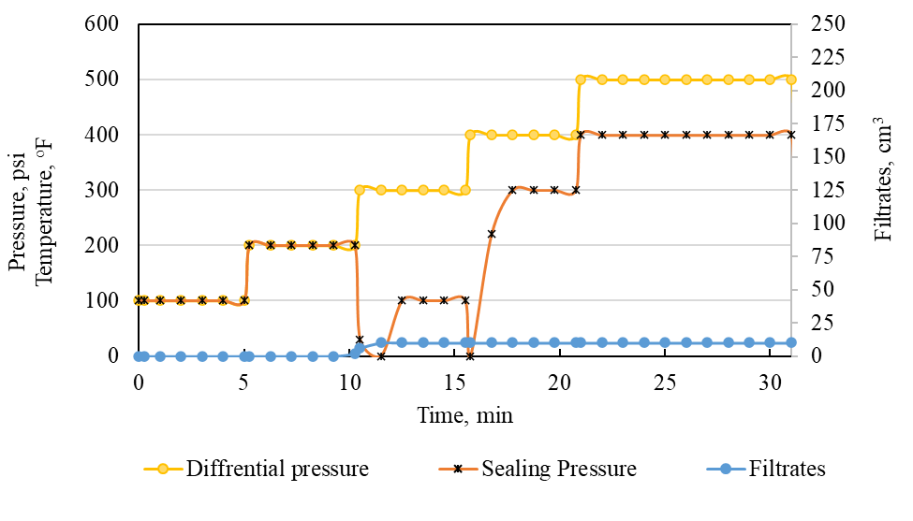
 |  | Time | Filtrates | Circulation Pressure |  | Sealing Pressure | Temperature | Top pressure | Back pressure | Diffrential pressure
0 | 0 | 0 | 0 | 100 | 0 | 100 | 75 | 0 | 0 | 100
0 | 0.25 | 0.25 | 0 | 100 | 0 | 100 | 75 | 0 | 0 | 100
0 | 1 | 1 | 0 | 100 | 0 | 100 | 75 | 0 | 0 | 100
0 | 1 | 2 | 0 | 100 | 0 | 100 | 75 | 0 | 0 | 100
0 | 1 | 3 | 0 | 100 | 0 | 100 | 75 | 0 | 0 | 100
0 | 1 | 4 | 0 | 100 | 0 | 100 | 75 | 0 | 0 | 100
0 | 1 | 5 | 0 | 100 | 0 | 100 | 75 | 0 | 0 | 100
12 | 0.25 | 5.25 | 0 | 200 | 0 | 200 | 75 | 0 | 0 | 200
0 | 1 | 6.25 | 0 | 200 | 0 | 200 | 75 | 0 | 0 | 200
0 | 1 | 7.25 | 0 | 200 | 0 | 200 | 75 | 0 | 0 | 200
0 | 1 | 8.25 | 0 | 200 | 0 | 200 | 75 | 0 | 0 | 200
0 | 1 | 9.25 | 0 | 200 | 0 | 200 | 75 | 0 | 0 | 200
0 | 1 | 10.25 | 2 | 200 | 0 | 200 | 75 | 0 | 0 | 200
0 | 0.25 | 10.5 | 6 | 300 | 270 | 30 | 75 | 0 | 0 | 300
0 | 1 | 11.5 | 10 | 300 | 300 | 0 | 75 | 0 | 0 | 300
0 | 1 | 12.5 | 21 | 300 | 200 | 100 | 75 | 0 | 0 | 300
0 | 1 | 13.5 | 34 | 300 | 200 | 100 | 75 | 0 | 0 | 300
0 | 1 | 14.5 | 46 | 300 | 200 | 100 | 75 | 0 | 0 | 300
0 | 1 | 15.5 | 76 | 300 | 200 | 100 | 75 | 0 | 0 | 300
0 | 0.25 | 15.75 | 87 | 400 | 400 | 0 | 75 | 300 | 0 | 400
0 | 1 | 16.75 | 110 | 400 | 180 | 220 | 75 | 300 | 0 | 400
0 | 1 | 17.75 | 112 | 400 | 100 | 300 | 75 | 150 | 0 | 400
0 | 1 | 18.75 | 124 | 400 | 100 | 300 | 75 | 70 | 0 | 400
0 | 1 | 19.75 | 133 | 400 | 100 | 300 | 75 | 120 | 0 | 400
0 | 1 | 20.75 | 154 | 400 | 100 | 300 | 75 | 0 | 0 | 400
0 | 0.25 | 21 | 160 | 500 | 100 | 270 | 75 | 390 | 0 | 500
0 | 1 | 22 | 165 | 500 | 100 | 350 | 75 | 300 | 0 | 500
0 | 1 | 23 | 165 | 500 | 100 | 400 | 75 | 0 | 0 | 500
0 | 1 | 24 | 165 | 500 | 100 | 400 | 75 | 180 | 0 | 500
0 | 1 | 25 | 165 | 500 | 100 | 400 | 75 | 0 | 0 | 500
0 | 1 | 26 | 165 | 500 | 100 | 400 | 75 | 150 | 0 | 500
0 | 1 | 27 | 165 | 500 | 100 | 400 | 75 | 0 | 0 | 500
0 | 1 | 28 | 165 | 500 | 100 | 400 | 75 | 0 | 0 | 500
0 | 1 | 29 | 165 | 500 | 100 | 400 | 75 | 0 | 0 | 500
0 | 1 | 30 | 165 | 500 | 100 | 400 | 75 | 0 | 0 | 500
0 | 1 | 31 | 10 | 500 | 100 | 400 | 75 | 0 | 0 | 400
0 | 0.25 | 31.25 | 10 | 300 | 100 | 200 | 75 | 0 | 0 | 200
0 | 1 | 32.25 | 10 | 300 | 100 | 200 | 75 | 0 | 0 | 200
0 | 1 | 33.25 | 10 | 300 | 100 | 200 | 75 | 0 | 0 | 200
0 | 1 | 34.25 | 10 | 300 | 100 | 200 | 75 | 0 | 0 | 200
0 | 1 | 35.25 | 10 | 300 | 100 | 200 | 75 | 0 | 0 | 200
0 | 1 | 36.25 | 10 | 300 | 100 | 200 | 75 | 0 | 0 | 200
0 | 0.25 | 36.5 | 10 | 400 | 100 | 300 | 75 | 0 | 0 | 300
0 | 1 | 37.5 | 10 | 400 | 100 | 300 | 75 | 0 | 0 | 300
0 | 1 | 38.5 | 10 | 400 | 100 | 300 | 75 | 0 | 0 | 300
0 | 1 | 39.5 | 10 | 400 | 100 | 300 | 75 | 0 | 0 | 300
0 | 1 | 40.5 | 10 | 400 | 100 | 300 | 75 | 0 | 0 | 300
0 | 1 | 41.5 | 10 | 400 | 100 | 300 | 75 | 0 | 0 | 300
0 | 0.25 | 41.75 | 10 | 500 | 300 | 200 | 75 | 0 | 0 | 200
20 | 1 | 42.75 | 10 | 500 | 300 | 200 | 75 | 0 | 0 | 200
2 | 1 | 43.75 | 10 | 500 | 300 | 200 | 75 | 0 | 0 | 200
0 | 1 | 44.75 | 10 | 500 | 300 | 200 | 75 | 0 | 0 | 200
0 | 1 | 45.75 | 10 | 500 | 300 | 200 | 75 | 0 | 0 | 200
0 | 1 | 46.75 | 10 | 500 | 300 | 200 | 75 | 0 | 0 | 200
0 | 0.25 | 47 | 10 | 300 | 90 | 210 | 75 | 0 | 0 | 210 | after it open
20 | 1 | 48 | 10 | 300 | 90 | 210 | 75 | 0 | 0 | 210 | 4:07:00
2 | 1 | 49 | 10 | 300 | 90 | 210 | 75 | 0 | 0 | 210
0 | 1 | 50 | 10 | 300 | 90 | 210 | 75 | 0 | 0 | 210
0 | 1 | 51 | 10 | 300 | 90 | 210 | 75 | 0 | 0 | 210
0 | 1 | 52 | 10 | 300 | 90 | 210 | 75 | 0 | 0 | 210
0 | 0.25 | 52.25 | 10 | 400 | 100 | 300 | 75 | 0 | 0 | 300
0 | 1 | 53.25 | 10 | 400 | 100 | 300 | 75 | 0 | 0 | 300
0 | 1 | 54.25 | 10 | 400 | 100 | 300 | 75 | 0 | 0 | 300
0 | 1 | 55.25 | 10 | 400 | 100 | 300 | 75 | 0 | 0 | 300
0 | 1 | 56.25 | 10 | 400 | 100 | 300 | 75 | 0 | 0 | 300
0 | 1 | 57.25 | 10 | 400 | 100 | 300 | 75 | 0 | 0 | 300
0 | 0 | 57.25 | 10 | 100 | 50 | 50 | 75 | 0 | 0 | 50 | xxxx
0 | 0.25 | 57.5 | 10 | 100 | 50 | 50 | 75 | 0 | 0 | 50
0 | 1 | 58.5 | 10 | 100 | 0 | 100 | 75 | 0 | 0 | 100
0 | 1 | 59.5 | 10 | 100 | 0 | 100 | 75 | 0 | 0 | 100
0 | 1 | 60.5 | 10 | 100 | 0 | 100 | 75 | 0 | 0 | 100
0 | 1 | 61.5 | 10 | 100 | 0 | 100 | 75 | 0 | 0 | 100
0 | 1 | 62.5 | 10 | 100 | 0 | 100 | 75 | 0 | 0 | 100
0 | 0.25 | 62.75 | 10 | 200 | 100 | 100 | 75 | 0 | 0 | 100
0 | 1 | 63.75 | 10 | 200 | 100 | 100 | 75 | 0 | 0 | 100
0 | 1 | 64.75 | 10 | 200 | 0 | 200 | 75 | 0 | 0 | 200
0 | 1 | 65.75 | 10 | 200 | 0 | 200 | 75 | 0 | 0 | 200
0 | 1 | 66.75 | 10 | 200 | 0 | 200 | 75 | 0 | 0 | 200
0 | 1 | 67.75 | 10 | 200 | 0 | 200 | 75 | 0 | 0 | 200
0 | 0.25 | 68 | 10 | 300 | 100 | 200 | 75 | 0 | 0 | 200
0 | 1 | 69 | 10 | 300 | 120 | 180 | 75 | 0 | 0 | 180
0 | 1 | 70 | 10 | 300 | 200 | 100 | 75 | 0 | 0 | 100
0 | 1 | 71 | 10 | 300 | 0 | 300 | 75 | 0 | 0 | 300
0 | 1 | 72 | 10 | 300 | 0 | 300 | 75 | 0 | 0 | 300
0 | 1 | 73 | 10 | 300 | 0 | 300 | 75 | 0 | 0 | 300
0 | 0.25 | 73.25 | 10 | 400 | 120 | 280 | 75 | 300 | 0 | 280
5 | 1 | 74.25 | 10 | 400 | 150 | 250 | 75 | 300 | 0 | 250
6 | 1 | 75.25 | 11 | 400 | 210 | 190 | 75 | 150 | 0 | 190
66 | 1 | 76.25 | 77 | 300 | 280 | 20 | 75 | 70 | 0 | 20
0 | 1 | 77.25 | 77 | 400 | 290 | 110 | 75 | 120 | 0 | 110
0 | 1 | 78.25 | 77 | 300 | 0 | 300 | 75 | 0 | 0 | 300
0 | 0.25 | 78.5 | 77 | 300 | 0 | 300 | 75 | 390 | 0 | 300
0 | 1 | 79.5 | 77 | 300 | 0 | 300 | 75 | 300 | 0 | 300
0 | 1 | 80.5 | 77 | 300 | 0 | 300 | 75 | 0 | 0 | 300
0 | 1 | 81.5 | 77 | 300 | 0 | 300 | 75 | 180 | 0 | 300
0 | 1 | 82.5 | 77 | 300 | 0 | 300 | 75 | 0 | 0 | 300
0 | 1 | 83.5 | 77 | 300 | 0 | 300 | 75 | 150 | 0 | 300
0 | 0.25 | 83.75 | 77 | 400 | 0 | 400 | 75 | 0 | 0 | 400
0 | 1 | 84.75 | 77 | 400 | 0 | 400 | 75 | 0 | 0 | 400
0 | 1 | 85.75 | 77 | 400 | 0 | 400 | 75 | 0 | 0 | 400
0 | 1 | 86.75 | 77 | 400 | 0 | 400 | 75 | 0 | 0 | 400
105 | 1 | 87.75 | 182 | 400 | 400 | 0 | 75 | 0 | 0 | 0
0 | 0 | 87.75 | 182 | 100 | 0 | 100 |  |  |  | 100
6 | 0.25 | 88 | 188 | 100 | 0 | 100 |  |  |  | 100
18 | 1 | 89 | 206 | 100 | 0 | 100 |  |  |  | 100
 | 1 | 90 | 0 | 100 | 0 | 100 |  |  |  | 100
 | 1 | 91 | 0 | 100 | 0 | 100 |  |  |  | 100
 | 1 | 92 | 0 | 100 | 0 | 100 |  |  |  | 100
 | 1 | 93 | 0 | 100 | 0 | 100 |  |  |  | 100
 | 0.25 | 93.25 | 0 | 200 | 0 | 200 |  |  |  | 200
 | 1 | 94.25 | 0 | 200 | 0 | 200 |  |  |  | 200
 | 1 | 95.25 | 0 | 200 | 0 | 200 |  |  |  | 200
 | 1 | 96.25 | 0 | 200 | 0 | 200 |  |  |  | 200
 | 1 | 97.25 | 0 | 200 | 0 | 200 |  |  |  | 200
 | 1 | 98.25 | 0 | 200 | 0 | 200 |  |  |  | 200
 | 0.25 | 98.5 | 0 | 300 | 0 | 300 |  |  |  | 300
 | 1 | 99.5 | 0 | 300 | 0 | 300 |  |  |  | 300
 | 1 | 100.5 | 0 | 300 | 0 | 300 |  |  |  | 300
 | 1 | 101.5 | 0 | 300 | 0 | 300 |  |  |  | 300
 | 1 | 102.5 | 0 | 300 | 0 | 300 |  |  |  | 300
 | 1 | 103.5 | 0 | 300 | 0 | 300 |  |  |  | 300
 | 0.25 | 103.75 | 0 | 400 | 0 | 400 |  |  |  | 400
 | 1 | 104.75 | 0 | 400 | 0 | 400 |  |  |  | 400
 | 1 | 105.75 | 0 | 400 | 0 | 400 |  |  |  | 400
 | 1 | 106.75 | 0 | 300 | 0 | 300 |  |  |  | 300
 | 1 | 107.75 | 0 | 400 | 0 | 400 |  |  |  | 400
 | 1 | 108.75 | 0 | 300 | 0 | 300 |  |  |  | 300
 | 0.25 | 109 | 0 | 300 | 0 | 300 |  |  |  | 300
 | 1 | 110 | 0 | 300 | 0 | 300 |  |  |  | 300
 | 1 | 111 | 0 | 300 | 0 | 300 |  |  |  | 300
 | 1 | 112 | 0 | 300 | 0 | 300 |  |  |  | 300
 | 1 | 113 | 0 | 300 | 0 | 300 |  |  |  | 300
 | 1 | 114 | 0 | 300 | 0 | 300 |  |  |  | 300
 | 0.25 | 114.25 | 0 | 400 | 0 | 400 |  |  |  | 400
 | 1 | 115.25 | 0 | 400 | 0 | 400 |  |  |  | 400
 | 1 | 116.25 | 0 | 400 | 0 | 400 |  |  |  | 400
 | 1 | 117.25 | 0 | 400 | 0 | 400 |  |  |  | 400
 | 1 | 118.25 | 0 | 400 | 0 | 400 |  |  |  | 400

